Sheet1
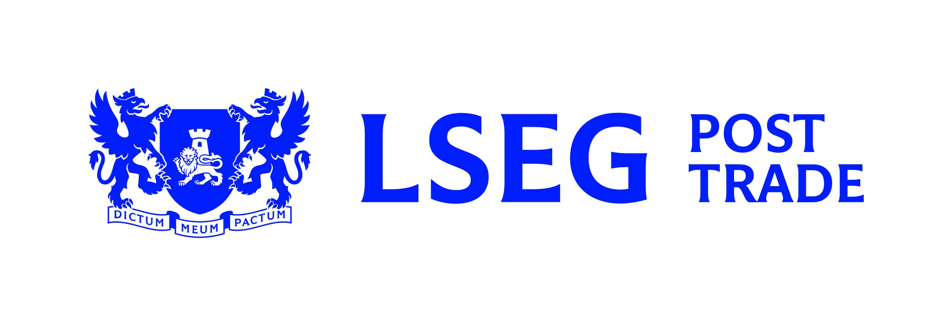
 | Settlement details
 | For additional assistance please contact the LCH EquityClear Static Data Team on +44 (0)20 7426 7601 or at Eqstaticdata.Ops.UK@lch.com

 | Summary of changes/comments

 | Contacts
 | Settlements |  | Tel: |  |  |  |  |  | Email:
 | Static data |  | Tel: |  |  |  |  |  | Email:

 | Clearing Member details
 | Clearing Member details:
 | Clearing Member mnemonic:

 | Settlement Firm details
 | Settlement Firm name:
 | Settlement Firm ID:

 | Standard Settlement Instructions (SSIs)
 | Dealing capacity | Country/CSD |  |  | REAG/DEAG BIC11 / EC NUMBER / SWISS BPID / DTCY ID |  | Agent Safe Custody account |  |  |  | Buyer/Seller BIC if different to SFID |  | POA Settlement Agent BIC (if required)
 | P | Austria OEKO
 | A | Austria OEKO
 | P | Belgium EUBE
 | A | Belgium EUBE
 | P | Clearstream CEDE |  |  |  |  | N/A |  |  |  |  |  | N/A
 | A | Clearstream CEDE |  |  |  |  | N/A |  |  |  |  |  | N/A
 | P | Czech Republic CDCP
 | A | Czech Republic CDCP
 | P | Denmark VPDK
 | A | Denmark VPDK
 | P | Euroclear ECLR |  |  |  |  | N/A |  |  |  | N/A |  | N/A
 | A | Euroclear ECLR |  |  |  |  | N/A |  |  |  | N/A |  | N/A
 | P | Finland APKE
 | A | Finland APKE
 | P | France EUFR
 | A | France EUFR
 | P | Germany DAKV
 | A | Germany DAKV
 | P | Hungary KELR
 | A | Hungary KELR
 | P | Italy MOTI
 | A | Italy MOTI
 | P | Netherlands EUNE
 | A | Netherlands EUNE
 | P | Norway VPSN
 | A | Norway VPSN
 | P | Poland KDPW
 | A | Poland KDPW
 | P | Portugal XCVM
 | A | Portugal XCVM
 | P | Sweden VPCS
 | A | Sweden VPCS
 | P | Switzerland SCOM |  |  |  |  |  |  |  |  | N/A |  | N/A
 | A | Switzerland SCOM |  |  |  |  |  |  |  |  | N/A |  | N/A
 | P | USA DTCY
 | A | USA DTCY

 | Settlement netting options
 | Dealing capacity | Country/CSD |  |  | Netting options – Please choose one of the below options per row |  |  |  |  |  |  |  | Cross Venue Netting
 |  |  |  |  | Gross | Net [1] |  | Aggregate (All)[2] |  | Aggregate (All non standard nets)[3] | Aggregate (Only cash payment non standard nets) [4]
 | P | Austria OEKO |  |  | N/A
 | A | Austria OEKO |  |  | N/A
 | P | Belgium EUBE |  |  | N/A
 | A | Belgium EUBE |  |  | N/A
 | P | Clearstream CEDE
 | A | Clearstream CEDE
 | P | Czech Republic CDCP |  |  | N/A
 | A | Czech Republic CDCP |  |  | N/A
 | P | Denmark VPDK |  |  | N/A
 | A | Denmark VPDK |  |  | N/A
 | P | Euroclear ECLR
 | A | Euroclear ECLR
 | P | Finland APKE |  |  | N/A
 | A | Finland APKE |  |  | N/A
 | P | France EUFR |  |  | N/A
 | A | France EUFR |  |  | N/A
 | P | Germany DAKV |  |  | N/A
 | A | Germany DAKV |  |  | N/A
 | P | Hungary KELR |  |  | N/A
 | A | Hungary KELR |  |  | N/A
 | P | Italy MOTI |  |  | N/A
 | A | Italy MOTI |  |  | N/A
 | P | Netherlands EUNE |  |  | N/A
 | A | Netherlands EUNE |  |  | N/A
 | P | Norway VPSN |  |  | N/A
 | A | Norway VPSN |  |  | N/A
 | P | Poland KDPW |  |  | N/A
 | A | Poland KDPW |  |  | N/A
 | P | Portugal XCVM |  |  | N/A
 | A | Portugal XCVM |  |  | N/A
 | P | Sweden VPCS |  |  | N/A
 | A | Sweden VPCS |  |  | N/A
 | P | Switzerland SCOM |  |  | N/A
 | A | Switzerland SCOM |  |  | N/A
 | P | USA DTCY |  |  | N/A
 | A | USA DTCY |  |  | N/A
 | [1] Net all buys and sells and Instruct 1 trade across a Single ISIN and Settlement Firm ID
 | [2] Aggregate all buys and sells, and instruct 1 trade across a single ISIN and Settlement Firm for all the buys, and 1 trade across a single ISIN and Settlement Firm for all the sells
 | [3] This will net all buys and sells but aggregate any non standard nets, and Instruct 1 trade across a Single ISIN and Settlement Firm ID, unless it results in a Non Standard Net ie DFP/RFP/DWP/RWP/PCO/RCO or NULL
 | [4] This will net all buys and sells but will aggregate any non standard nets that include Cash ie DWP/RWP/PCO/RCO. This will Instruct 1 trade across a Single ISIN and Settlement Firm ID, unless it results in a Non Standard Net that includes Cash ie DWP/RWP/PCO/RCO (Not a DFP/RFP or NULL)

 | Cash settlement details (only required if “Net” netting option selected on previous page)
 | Currency |  |  | Intermediary details BIC |  |  |  | Correspondent details BIC Intermediary Account Number |  |  |  | Cash account number
 | Czech Koruna CZK
 | Danish Krona DKK
 | Euro EUR
 | Hungarian Forint HUF
 | Norwegian Krone NOK
 | Polish Zloty PLN
 | Swedish Krona SEK
 | US Dollar USD

 | Declaration
 | I declare, for and on behalf of the Clearing Member, that the information provided is complete, up to date and correct. The company undertakes to immediately notify LCH Ltd of any changes in the information which has been provided that occur after the date of submission of this form.

 | Name
 | Position
 | Clearing Member Legal Entity
 | Authorised signature
 | Date

