Clearing Details
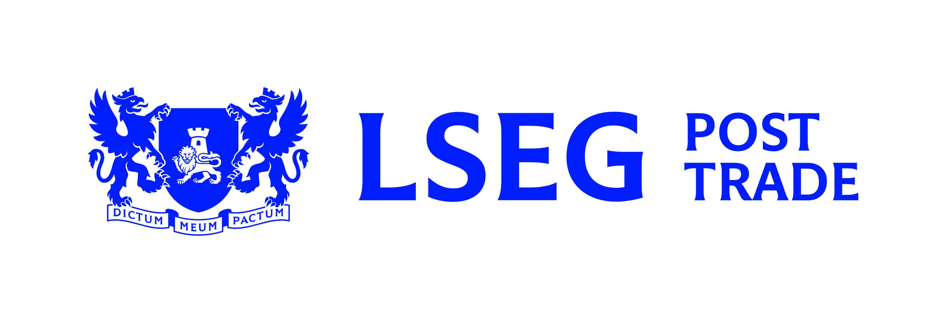
 | Clearing Details - Turquoise
 | For additional assistance please contact the LCH EquityClear Static Data Team on +44 (0)20 7426 7601 or at Eqstaticdata.Ops.UK@lch.com

 | Summary of Changes/Comments

 | Contacts
 | Settlements | Tel: |  |  |  |  |  | Email:
 | Static Data | Tel: |  |  |  |  |  | Email:

 | Trade Source |  |  |  |  |  | Proposed Go-live Date

 | Clearing Member Details
 | Clearing Member Details:
 | Clearing Member Mnemonic:

 | Settlement Firm Details
 | Settlement Firm Name:
 | Settlement Firm ID:

 | Turquoise Account Information (complete one line per Node ID. Contact Turquoise for more information)
 | Trading Participant ID |  | Member ID |  |  | Node ID

 | Clearing Arrangements (map trade to LCH account)
 | Trade Data Supplied by Trade Source |  |  |  |  |  | Account at LCH
 | Dealing Capacity |  |  | Clearing Account |  |  | Clearing Account |  |  | Default Clearing Account*

 | *Default Clearing Account: account at LCH if trade received with no clearing account data

 | Markets Traded (settlement details are provided on a separate form)
 | Market/CSD |  | Tick if applicable |  | CSD specific Settlement Firm ID |  |  |  | Map agency to principal (Yes / No) |  | Crypto ETN Enabled?
 | Austria OEKO
 | Belgium EUBE
 | Clearstream CEDE
 | Czech Republic CDCP
 | Denmark VPDK
 | Euroclear ECLR
 | Finland APKE
 | France EUFR
 | Germany DAKV
 | Hungary KELR
 | Ireland ECLR*
 | Italy MOTI
 | Netherlands EUNE
 | Norway VPSN
 | Poland KDPW
 | Portugal XCVM
 | Spain IBRC
 | Sweden VPCS
 | Switzerland SCOM
 | United Kingdom CRST
 | USA DTCY
 | *Ireland will settle through Euroclear ECLR
 | Declaration
 | I declare, for and on behalf of the Clearing Member, that the information provided is complete, up to date and correct. The company undertakes to immediately notify LCH Ltd of any changes in the information which has been provided that occur after the date of submission of this form.

 | Name
 | Position
 | Clearing Member Legal Entity
 | Authorised Signature
 | Date

